Sheet1
TC | Subject | Test ID | Test Case Description | Step Name | Description | Expected Result | Preconditions | screenshots
TC_001 |  | Search Service Package | To get a list of suitable service package for VIN number and suggest relevant package to customer | Step 1 | User should be able to Navigate the Login Page. | user is landed to booking & Inquiry online service |  | 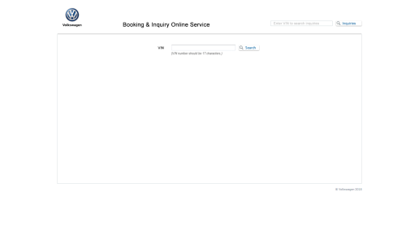
 |  |  |  | Step 2 | User should be able to enter the VIN number and Click on SearcButton | user will see the package list according to VIN . | VIN number is required. | 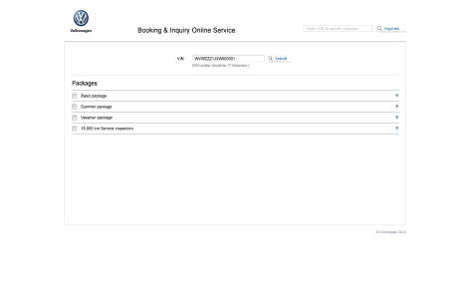
 |  |  |  | Step 3 | User is able to click on select down button on the right side of any package | user is able to check price,descriptions,spareparts and labour parts for that package. |  | 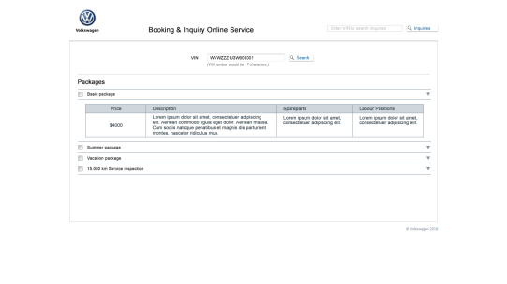
 |  |  |  | step 4 | user is able to select the packages with the checkbox for given VIN Number | Total expense summary is validated which is the sum of prices of packages selected |  | 